Home Page
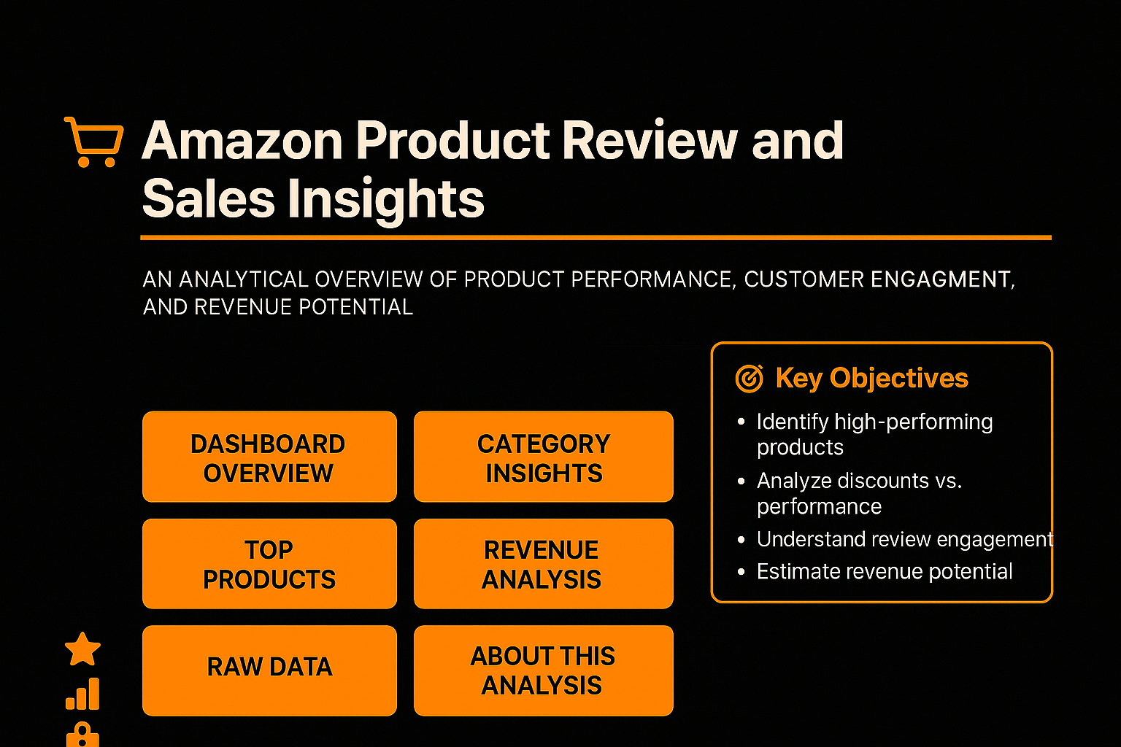

by Adepeju Emmanuel Adetunji

KPIs

Dashboard


Amazon Products Review and Sales Insights

An Analytical Overview of Product Performance, Customer Engagement, and Revenue Potential Across Categories

Count of Poducts
Total Actual Price
Total Discount
Discount Distribution
Products fewer than 1000 Review
 | Total
greater or equal to 50% | 749
less than 50% | 707
 | Total
AVReceivers&Amplifiers | 897
Earpads | 594
InternalHardDrives | 362
TraditionalLaptops | 323
MediaStreamingDevices | 224

₹ 7,897,913.28
1456
₹ 4,529,928.43

Average Discount Percentage by Category
 | Total
Toys&Games | 0%
OfficeProducts | 12%
Home&Kitchen | 40%
Car&Motorbike | 42%
MusicalInstruments | 46%
Electronics | 51%
Health&PersonalCare | 53%
Computers&Accessories | 54%
HomeImprovement | 58%

Products by Category
Top 5 Products Revenue
 | Total
Car&Motorbike | 1,118.00
Health&PersonalCare | 3,663.00
HomeImprovement | 8,566.00
Toys&Games | 15,867.00
MusicalInstruments | 88,882.00
OfficeProducts | 149,675.00
Home&Kitchen | 2,990,077.00
Computers&Accessories | 7,709,450.00
Electronics | 15,725,454.00
 | Total
Headphones | 4,816,050.00
Cables&Accessories | 3,601,801.00
Smartphones&BasicMobiles | 3,043,528.00
Accessories | 2,277,555.00
SmartWatches | 1,644,476.00

